Test Case 1.0 + Bug Report
Make the purchase of any chain oil from storage in Szczecin with personal collection without creating an account.
Test case ID | Test Case Description | Precondition | Step # | Test Steps Details | Test Data | Expected Results | Actual Results | Status | Comments
A.1. | Make a purchase of oil chain from storage in Szczecin. | User neeeds go to the prema website at first from the Google Search Engine | 1. | Open Google Chrome browser by click twice on the icon on the desktop. |  | Google Chrome Browser should open with the google search engine by default. | Google Chrome Browser with Google search engine is open. | Pass
 |  |  | 2. | Type "prema lozyska szczecin" in Google search engine and click ENTER |  | A search engine with results should appear, with access to the prema.com.pl homepage appearing first | Search engine shows search results with prema.com.pl indicated in first position | Pass
 |  |  | 3. | Click once on the first search result |  | The prema.com.pl main website should open | The prema.com.pl main website is open | Pass
 |  |  | 4. | Accept all cookies on the coockie banner by clicking "Allow all" |  | coockie banner closes | The coockie banner is closed | Pass

 |  |  | 5. | go to the sales platform by clicking on the banner at the top of the page |  | The sales platform should open in new window | Sales platform is open in new window | Pass
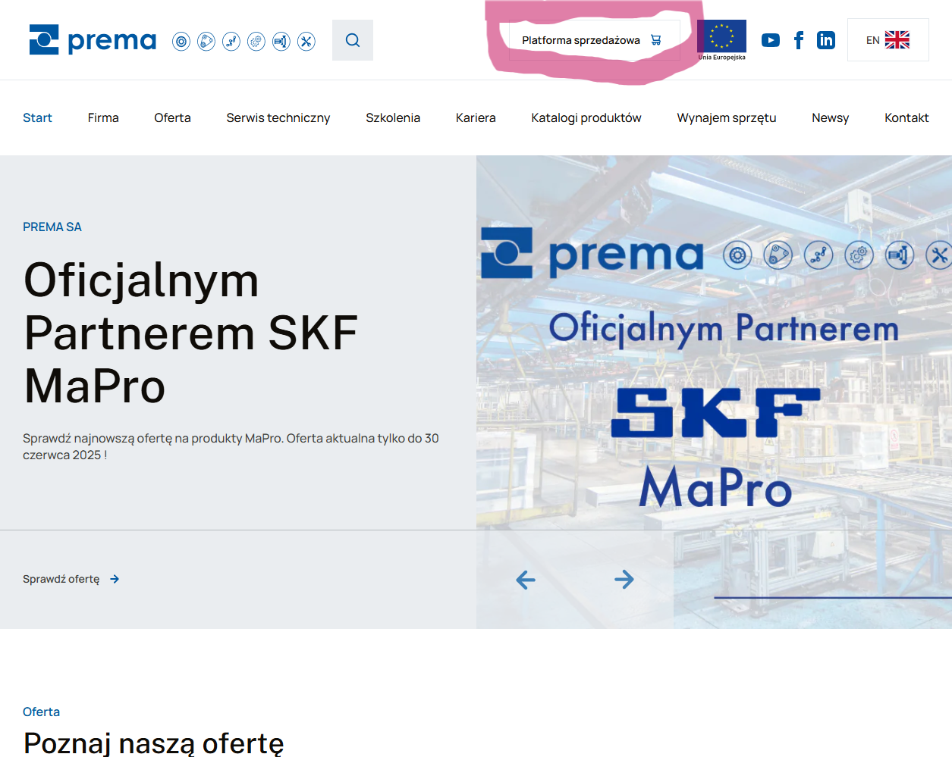

 |  |  | 6. | select a warehouse in Szczecin from the drop-down list by clicking on the designation ‘Selected warehouse: Warehouse Poznan’ in the top left corner |  | A list with a selection of magazines should expand | The action cannot be performed. The item ‘Selected warehouse: Warehouse Poznań’ is not interactive. | Bug

BUG Report
Title: | Error in selecting the warehouse from which the product should come |  | No interaction possible
Introduction: | when you are on the sales platform, you should be able to select a warehouse in Szczecin by clicking on the drop-down list in the top left-hand corner of the page
Priority: | High
Enviroment: | sklep.prema.com.pl | Google Chrome 10 (Wersja 138.0.7204.158 (Oficjalna wersja) (64-bitowa)
Steps: | 1. go to the Prema SA main website by searching in google browser by "prema lozyska szczecin". 2. Click on the first search result, accept coockie banner by clicking "allow all". 3. Go to the sales platform by clicking on the banner "Sales platform" on the top of the main website. 4. Choose the Szczecin storage by clicking on the top left on website "Selected warehouse: Warehouse Poznan"
Expectations: | A list with a selection of magazines should expand
Reality: | The action cannot be performed. The item ‘Selected warehouse: Warehouse Poznań’ is not interactive. |  | There is no action.

